Sheet1
2023-08-28 | Monday |  | Tuesday |  | Wednesday |  | Thursday |  | Friday
 | Tasks done | Work hours | Tasks done | Work hours | Tasks done | Work hours | Tasks done | Work hours | Tasks done | Work hours
Tormod | Form groups | 1
Daniel | Form groups | 1
Henrik | Form groups | 1
 |  |  |  |  |  |  |  |  |  |  | Håvard | #REF!
2023-09-04 | Monday |  | Tuesday |  | Wednesday |  | Thursday |  | Friday
 | Tasks done | Work hours | Tasks done | Work hours | Tasks done | Work hours | Tasks done | Work hours | Tasks done | Work hours
Tormod | Choose project | 2 |  |  |  |  | Kinematics robot base | 2
Daniel | Choose project | 2 |  |  |  |  | Kinematics robot base | 2
Henrik | Choose project | 2 |  |  |  |  | Kinematics robot base | 2

2023-09-11 | Monday |  | Tuesday |  | Wednesday |  | Thursday |  | Friday
 | Tasks done | Work hours | Tasks done | Work hours | Tasks done | Work hours | Tasks done | Work hours | Tasks done | Work hours
Tormod |  |  |  |  | Navigation strategy | 2 | Control strategy | 2
Daniel |  |  |  |  | Navigation strategy | 2 | Control strategy | 2
Henrik |  |  |  |  | Navigation strategy | 2 | Control strategy | 2

2023-09-18 | Monday |  | Tuesday |  | Wednesday |  | Thursday |  | Friday
 | Tasks done | Work hours | Tasks done | Work hours | Tasks done | Work hours | Tasks done | Work hours | Tasks done | Work hours
Tormod | ROS basics | 3 |  |  | ROS basics | 3
Daniel | ROS basics | 3 |  |  | ROS basics | 3
Henrik | ROS basics | 3 |  |  | ROS basics | 3

2023-09-25 | Monday |  | Tuesday |  | Wednesday |  | Thursday |  | Friday
 | Tasks done | Work hours | Tasks done | Work hours | Tasks done | Work hours | Tasks done | Work hours | Tasks done | Work hours
Tormod |  |  |  |  | Mandatory hand-in | 3 | Mandatory hand-in | 3
Daniel |  |  |  |  | Mandatory hand-in | 3 | Mandatory hand-in | 3
Henrik |  |  |  |  | Mandatory hand-in | 3 | Mandatory hand-in | 3

2023-10-02 | Monday |  | Tuesday |  | Wednesday |  | Thursday |  | Friday
 | Tasks done | Work hours | Tasks done | Work hours | Tasks done | Work hours | Tasks done | Work hours | Tasks done | Work hours
Tormod |  |  |  |  | Prepare for the PDR | 3 | PDR | 3
Daniel |  |  |  |  | Prepare for the PDR | 3 | PDR | 3
Henrik |  |  |  |  | Prepare for the PDR | 3 | PDR | 3

2023-10-09 | Monday |  | Tuesday |  | Wednesday |  | Thursday |  | Friday
 | Tasks done | Work hours | Tasks done | Work hours | Tasks done | Work hours | Tasks done | Work hours | Tasks done | Work hours
Tormod |  |  |  |  | Robot arm kinematics | 4 | Robot arm kinematics | 4
Daniel |  |  |  |  | Mobile platform | 4 | Mobile platform | 4
Henrik |  |  |  |  | Robot base design | 4 | Robot base design | 4

2023-10-16 | Monday |  | Tuesday |  | Wednesday |  | Thursday |  | Friday
 | Tasks done | Work hours | Tasks done | Work hours | Tasks done | Work hours | Tasks done | Work hours | Tasks done | Work hours
Tormod |  |  |  |  | Robot arm design Matlab | 4
Daniel |  |  |  |  | Simulate mobile base in ROS | 4
Henrik |  |  |  |  | Robot base design Matlab | 4

2023-10-23 | Monday |  | Tuesday |  | Wednesday |  | Thursday |  | Friday
 | Tasks done | Work hours | Tasks done | Work hours | Tasks done | Work hours | Tasks done | Work hours | Tasks done | Work hours
Tormod |  |  |  |  | Robot arm design | 4
Daniel |  |  |  |  | Simulate robot arm in ROS | 4
Henrik |  |  |  |  | Robot base design | 4

2023-10-30 | Monday |  | Tuesday |  | Wednesday |  | Thursday |  | Friday
 | Tasks done | Work hours | Tasks done | Work hours | Tasks done | Work hours | Tasks done | Work hours | Tasks done | Work hours
Tormod |  |  |  |  | Prepare for the CDR | 3 | CDR | 3
Daniel |  |  |  |  | Prepare for the CDR | 3 | CDR | 3
Henrik |  |  |  |  | Prepare for the CDR | 3 | CDR | 3

2023-11-06 | Monday |  | Tuesday |  | Wednesday |  | Thursday |  | Friday
 | Tasks done | Work hours | Tasks done | Work hours | Tasks done | Work hours | Tasks done | Work hours | Tasks done | Work hours
Tormod |  |  |  |  | Robot arm simulation in Matlab | 4
Daniel |  |  |  |  | Simulation in ROS | 4
Henrik |  |  |  |  | Robot base simulation in Matlab | 4

2023-11-13 | Monday |  | Tuesday |  | Wednesday |  | Thursday |  | Friday
 | Tasks done | Work hours | Tasks done | Work hours | Tasks done | Work hours | Tasks done | Work hours | Tasks done | Work hours
Tormod |  |  | Prepare for final presentation | 3 | Final presentation | 3
Daniel |  |  | Prepare for final presentation | 3 | Final presentation | 3
Henrik |  |  | Prepare for final presentation | 3 | Final presentation | 3

2023-11-20 | Monday |  | Tuesday |  | Wednesday |  | Thursday |  | Friday
 | Tasks done | Work hours | Tasks done | Work hours | Tasks done | Work hours | Tasks done | Work hours | Tasks done | Work hours
Tormod |  |  |  |  |  |  | Work on the report | 4
Daniel |  |  |  |  |  |  | Work on the report | 4
Henrik |  |  |  |  |  |  | Work on the report | 4

2023-11-27 | Monday |  | Tuesday |  | Wednesday |  | Thursday |  | Friday
 | Tasks done | Work hours | Tasks done | Work hours | Tasks done | Work hours | Tasks done | Work hours | Tasks done | Work hours
Tormod |  |  |  |  | Work on the report | 4 | Prepare for exam | 8 | Prepare for exam | 8
Daniel |  |  |  |  | Work on the report | 4 | Prepare for exam | 8 | Prepare for exam | 8
Henrik |  |  |  |  | Work on the report | 4 | Prepare for exam | 8 | Prepare for exam | 8

2023-12-04 | Monday |  | Tuesday |  | Wednesday |  | Thursday |  | Friday
 | Tasks done | Work hours | Tasks done | Work hours | Tasks done | Work hours | Tasks done | Work hours | Tasks done | Work hours
Tormod |  |  |  |  |  |  | Finish the report | 6
Daniel |  |  |  |  |  |  | Finish the report | 6
Henrik |  |  |  |  |  |  | Finish the report | 6

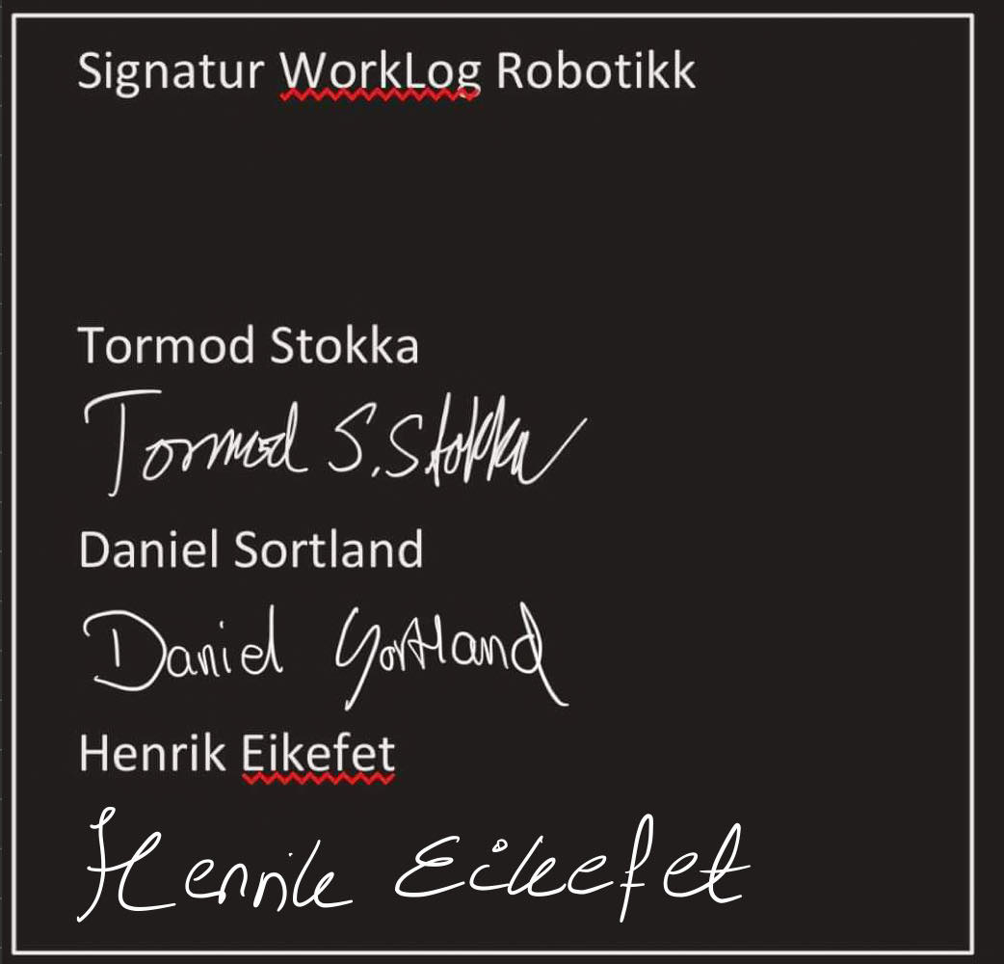
Signert av:

